Controls Spin
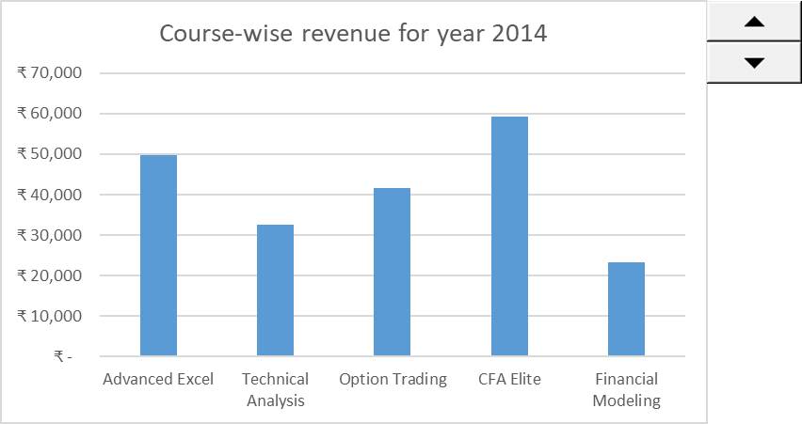
Course | 2009 | 2010 | 2011 | 2012 | 2013 | 2014 | 2015 | 2016 | 2017 | 2018 | 2019
Advanced Excel | ₹ 20,986 | ₹ 24,858 | ₹ 19,559 | ₹ 62,493 | ₹ 18,284 | ₹ 49,704 | ₹ 42,566 | ₹ 17,078 | ₹ 53,583 | ₹ 21,070 | ₹ 35,752
Technical Analysis | ₹ 59,268 | ₹ 27,213 | ₹ 25,281 | ₹ 33,861 | ₹ 20,217 | ₹ 32,526 | ₹ 41,390 | ₹ 63,399 | ₹ 35,736 | ₹ 38,355 | ₹ 56,455
Option Trading | ₹ 38,907 | ₹ 49,012 | ₹ 38,808 | ₹ 38,907 | ₹ 42,836 | ₹ 41,626 | ₹ 35,771 | ₹ 54,117 | ₹ 27,595 | ₹ 52,261 | ₹ 21,498
CFA Elite | ₹ 42,380 | ₹ 56,873 | ₹ 48,802 | ₹ 25,898 | ₹ 37,342 | ₹ 59,324 | ₹ 32,763 | ₹ 54,340 | ₹ 52,912 | ₹ 23,212 | ₹ 50,866
Financial Modeling | ₹ 57,182 | ₹ 38,785 | ₹ 20,127 | ₹ 17,470 | ₹ 18,654 | ₹ 23,341 | ₹ 59,142 | ₹ 24,452 | ₹ 29,613 | ₹ 57,273 | ₹ 55,998

 |  |  |  | Out Put - Model

